Paired Sample T Test
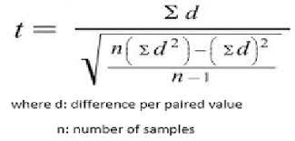
 |  |  | α | 0.05
 |  |  | DOF | N-1 | 13 | t critical | -2.16
 |  |  | Ho: μpre = μpost |  |  |  | 2.16
 |  |  | Ha: μpre ≠ μpost

 |  | Pre Score - Post Score
Pre Test | Post Test | D | D^2
23 | 35 | -12 | 144 |  | t value | =$D$22/(SQRT(((14*$E$22)-(D22)^2)/(G2)))
25 | 40 | -15 | 225 |  |  | -4.6483073631
28 | 30 | -2 | 4 |  |  | 4.6483073631
30 | 35 | -5 | 25
25 | 40 | -15 | 225
25 | 45 | -20 | 400
26 | 30 | -4 | 16 |  |  | t stat> t critical
25 | 30 | -5 | 25 |  |  | Therefore, reject Ho
22 | 35 | -13 | 169
30 | 40 | -10 | 100
35 | 40 | -5 | 25
40 | 35 | 5 | 25
35 | 38 | -3 | 9
30 | 41 | -11 | 121
 |  | -115 | 1513

50 | 62
42 | 40
51 | 61
26 | 35
35 | 30
42 | 52
60 | 68
41 | 51
70 | 84
55 | 63
62 | 72
38 | 50

47.666666667 | 55.666666667

50 | 62 | -12 | 144
42 | 40 | 2 | 4
51 | 61 | -10 | 100
26 | 35 | -9 | 81
35 | 30 | 5 | 25
42 | 52 | -10 | 100
60 | 68 | -8 | 64
41 | 51 | -10 | 100
70 | 84 | -14 | 196
55 | 63 | -8 | 64
62 | 72 | -10 | 100
38 | 50 | -12 | 144
 |  | -96 | 1122

Independent Sample
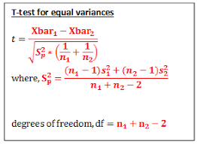
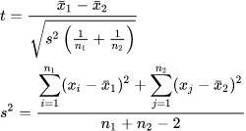
T Test in SPSS: Output |  | Unequal Varinaces

The Levine’s test for equal variance (the first section of the Independent Samples Test box). If the significance level is larger than .05, you should use the first line in the output table, Equal variances assumed. If the value is .05 or lower, use the second row of results. |  | 
Sig (2 Tailed): use the value indicated in Levine’s test. If this p-value is above .05, then there is not a significant difference in test scores.

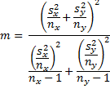
For F Test DOF = N1-1, N2-1 {Look at the F table}

 | DOF
Equal Varinace

